Brazuka US (Tuesday) - Winter I
League | Winter II
Weekday | Tuesday |  |  |  | 1/7 at 7:40pm |  |  |  |  | Goals | Assists | Blue Cards | Team | W | L | T | Pts | GF | GA | GD | PCT | GP
Location | Magnuson |  |  |  | SW Magnuson |  |  |  | Arthur Mendes |  |  |  | Axolotls (Tues Men's D) (S) | 10 | 1 | 1 | 31 | 82 | 51 | 31 | 87.50% | 12
# of Matches | 12 |  |  |  | Brazuka US | 4 | 2 | Diesel Daddies | Daniel Tedesco |  |  |  | Forçados F.C. (Tues Men's D1) | 7 | 3 | 2 | 23 | 58 | 50 | 8 | 66.67% | 12
Season Fee | $1,985.01 |  |  |  |  |  |  |  | Joao Barros |  |  |  | Do it again! (Tues Men's D) (S) | 7 | 5 | 0 | 21 | 83 | 76 | 7 | 58.33% | 12
Start Date | 2025-01-07 |  |  |  |  |  |  |  | Rafael Franco | 1 |  |  | Brazuka US (Tues Men's D) | 6 | 4 | 1 | 19 | 60 | 57 | 3 | 59.09% | 11
 |  |  |  |  |  |  |  |  | Roberto Machado |  |  |  | Blackfoot Ballers (Tue Men's D) NP 2 | 5 | 4 | 2 | 17 | 73 | 70 | 3 | 54.55% | 11
 |  |  |  |  |  |  |  |  | Sergio Filho | 2 |  |  | EC Soccer Team (Tues Men's D1) | 4 | 5 | 3 | 15 | 72 | 84 | -12 | 45.83% | 12
 | PLAYER | GOALS | ASSISTS | CARDS |  |  |  |  | Cleiton Castro | 1 |  |  | Diesel Daddies (Tues Men's D1) | 2 | 10 | 0 | 6 | 55 | 72 | -17 | 16.67% | 12
1 | Arthur Mendes | 8 | 2 | 0 |  |  |  |  | Gustavo Bittencourt |  |  |  | Arsenull (Tues Men's D1) | 0 | 11 | 1 | 1 | 54 | 85 | -31 | 4.17% | 12
2 | Caio Scofield | 1 | 0 | 0
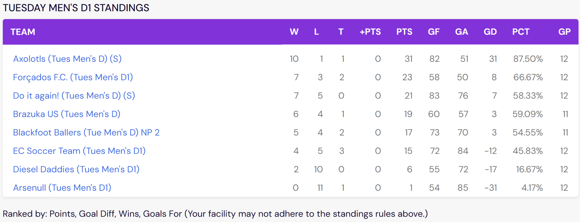
3 | Daniel Tedesco | 4 | 3 | 0 | 1/14 at 6:50pm |  |  |  |  | Goals | Assists | Blue Cards
4 | Guilherme Kuster | 21 | 1 | 1 | SW Magnuson |  |  |  | Arthur Mendes | 1
5 | Joao Barros | 0 | 2 | 2 | Arsenull | 2 | 4 | Brazuka US | Daniel Tedesco
6 | Joao Pinto | 0 | 0 | 0 |  |  |  |  | Guilherme Kuster | 3
7 | Pablo Rodrigues | 5 | 0 | 0 |  |  |  |  | Joao Barros |  | 1 | 1
8 | Rafael Franco | 6 | 2 | 0 |  |  |  |  | Rafael Franco
9 | Rafael Mattos | 0 | 2 | 0 |  |  |  |  | Rafael Mattos |  | 1
10 | Ranieri Filho | 1 | 3 | 1 |  |  |  |  | Roberto Machado
11 | Roberto Machado | 0 | 0 | 1 |  |  |  |  | Amaral |  | 1
12 | Sergio Filho | 7 | 0 | 0 |  |  |  |  | Cleiton Castro
 | OTHER |  |  |  |  |  |  |  | Darley
 | Aleme | 0 | 0 | 0
 | Amaral | 0 | 1 | 0 | 1/21 at 10:00pm |  |  |  |  | Goals | Assists | Blue Cards
 | Cleiton Castro | 4 | 1 | 0 | NW Magnuson |  |  |  | Caio Scofield
 | Darley | 0 | 0 | 0 | Do it again! | 8 | 6 | Brazuka US | Daniel Tedesco
 | Gustavo Bittencourt | 0 | 0 | 0 |  |  |  |  | Guilherme Kuster | 4 |  | 1
 | Matheus Cachoeira | 1 | 1 | 0 |  |  |  |  | Joao Barros |  |  | 1
 | Nunes | 1 | 0 | 0 |  |  |  |  | Pablo Rodrigues
 |  |  |  |  |  |  |  |  | Rafael Franco | 1
 |  |  |  |  |  |  |  |  | Rafael Mattos |  | 1
 |  |  |  |  |  |  |  |  | Ranieri Filho
 |  |  |  |  |  |  |  |  | Roberto Machado |  |  | 1

 |  |  |  |  | 1/28 at 7:30pm |  |  |  |  | Goals | Assists | Blue Cards
 |  |  |  |  | SODO |  |  |  | Daniel Tedesco |  | 2
 |  |  |  |  | Axolotls | 4 | 3 | Brazuka US | Guilherme Kuster
 |  |  |  |  |  |  |  |  | Pablo Rodrigues
 |  |  |  |  |  |  |  |  | Rafael Franco | 1
 |  |  |  |  |  |  |  |  | Rafael Mattos
 |  |  |  |  |  |  |  |  | Ranieri Filho
 |  |  |  |  |  |  |  |  | Cleiton Castro | 1
 |  |  |  |  |  |  |  |  | Matheus Cachoeira | 1

 |  |  |  |  | 2/11 at 9:25pm |  |  |  |  | Goals | Assists | Blue Cards
 |  |  |  |  | SE Magnuson |  |  |  | Caio Scofield
 |  |  |  |  | Brazuka US | 7 | 7 | EC Soccer Team | Daniel Tedesco | 1
 |  |  |  |  |  |  |  |  | Guilherme Kuster | 1
 |  |  |  |  |  |  |  |  | Joao Barros
 |  |  |  |  |  |  |  |  | Pablo Rodrigues | 2
 |  |  |  |  |  |  |  |  | Rafael Franco | 3
 |  |  |  |  |  |  |  |  | Roberto Machado
 |  |  |  |  |  |  |  |  | Cleiton Castro

 |  |  |  |  | 2/25 at 6:55pm |  |  |  |  | Goals | Assists | Blue Cards
 |  |  |  |  | SE Magnuson |  |  |  | Caio Scofield
 |  |  |  |  | Arsenull | 5 | 6 | Brazuka US | Daniel Tedesco | 2
 |  |  |  |  |  |  |  |  | Guilherme Kuster | 3
 |  |  |  |  |  |  |  |  | Joao Barros
 |  |  |  |  |  |  |  |  | Pablo Rodrigues | 1
 |  |  |  |  |  |  |  |  | Rafael Mattos
 |  |  |  |  |  |  |  |  | Ranieri Filho |  | 3 | 1
 |  |  |  |  |  |  |  |  | Roberto Machado

 |  |  |  |  | 3/4 at 6:40pm |  |  |  |  | Goals | Assists | Blue Cards
 |  |  |  |  | SODO |  |  |  | Arthur Mendes | 2
 |  |  |  |  | Do it again! | 3 | 5 | Brazuka US | Caio Scofield
 |  |  |  |  |  |  |  |  | Guilherme Kuster | 1 | 1
 |  |  |  |  |  |  |  |  | Joao Barros
 |  |  |  |  |  |  |  |  | Joao Pinto
 |  |  |  |  |  |  |  |  | Pablo Rodrigues | 1
 |  |  |  |  |  |  |  |  | Rafael Franco
 |  |  |  |  |  |  |  |  | Ranieri Filho | 1
 |  |  |  |  |  |  |  |  | Roberto Machado
 |  |  |  |  |  |  |  |  | Cleiton Castro
 |  |  |  |  |  |  |  |  | Matheus Cachoeira

 |  |  |  |  | 3/11 at 10:10pm |  |  |  |  | Goals | Assists | Blue Cards
 |  |  |  |  | SW Magnuson |  |  |  | Arthur Mendes | 1 | 1
 |  |  |  |  | Brazuka US | 8 | 5 | Blackfoot Ballers | Daniel Tedesco
 |  |  |  |  |  |  |  |  | Guilherme Kuster | 5
 |  |  |  |  |  |  |  |  | Rafael Franco |  | 1
 |  |  |  |  |  |  |  |  | Aleme
 |  |  |  |  |  |  |  |  | Cleiton Castro | 1 | 1
 |  |  |  |  |  |  |  |  | Nunes | 1

 |  |  |  |  | 3/18 at 8:20pm |  |  |  |  | Goals | Assists | Blue Cards
 |  |  |  |  | SODO |  |  |  | Arthur Mendes | 2
 |  |  |  |  | Axolotls | 10 | 4 | Brazuka US | Caio Scofield | 1
 |  |  |  |  |  |  |  |  | Daniel Tedesco
 |  |  |  |  |  |  |  |  | Guilherme Kuster | 1
 |  |  |  |  |  |  |  |  | Joao Pinto
 |  |  |  |  |  |  |  |  | Pablo Rodrigues
 |  |  |  |  |  |  |  |  | Ranieri Filho
 |  |  |  |  |  |  |  |  | Roberto Machado
 |  |  |  |  |  |  |  |  | Matheus Cachoeira |  | 1

 |  |  |  |  | 3/25 at 9:10pm |  |  |  |  | Goals | Assists | Blue Cards
 |  |  |  |  | NW Magnuson |  |  |  | Arthur Mendes | 2 | 1
 |  |  |  |  | Brazuka US | 5 | 6 | Forcados F.C. | Caio Scofield
 |  |  |  |  |  |  |  |  | Daniel Tedesco |  | 1
 |  |  |  |  |  |  |  |  | Guilherme Kuster
 |  |  |  |  |  |  |  |  | Joao Barros |  | 1
 |  |  |  |  |  |  |  |  | Joao Pinto
 |  |  |  |  |  |  |  |  | Pablo Rodrigues | 1
 |  |  |  |  |  |  |  |  | Rafael Franco |  | 1
 |  |  |  |  |  |  |  |  | Sergio Filho | 2

 |  |  |  |  | 4/2 at 11:05pm |  |  |  |  | Goals | Assists | Blue Cards
 |  |  |  |  | SE Magnuson |  |  |  | Arthur Mendes
 |  |  |  |  | Brazuka US | 8 | 5 | Diesel Daddies | Caio Scofield
 |  |  |  |  |  |  |  |  | Daniel Tedesco | 1
 |  |  |  |  |  |  |  |  | Guilherme Kuster | 3
 |  |  |  |  |  |  |  |  | Sergio Filho | 3
 |  |  |  |  |  |  |  |  | Cleiton Castro | 1

Sheet7
League | Winter I
Weekday | Tuesday |  |  |  | 10/1 at 7:45pm |  |  |  |  | Goals | Assists | Blue Cards | TEAM | W | L | T | PTS | GF | GA | GD | PCT | GP
Location | Magnuson |  |  |  | SE Magnuson |  |  |  | Caio Scofield |  |  |  | Brazuka US (Tues Men's D) | 11 | 1 | 0 | 33 | 70 | 39 | 31 | 91.67% | 12
# of Matches | 12 |  |  |  | FC #!bash | 2 | 3 | Brazuka US | Daniel Tedesco |  |  |  | Advil United (Tue Men's D2) | 8 | 4 | 0 | 24 | 74 | 55 | 19 | 66.67% | 12
Season Fee | $1,985.01 |  |  |  |  |  |  |  | Guilherme Kuster |  |  |  | FC Jinro (Tues Men's D2) | 7 | 5 | 0 | 21 | 63 | 59 | 4 | 58.33% | 12
Start Date | 2024-10-01 |  |  |  |  |  |  |  | Joao Barros |  | 1 |  | Slower than we look (Tues Men's D2) NPGK | 6 | 5 | 1 | 19 | 52 | 38 | 14 | 54.17% | 12
 |  |  |  |  |  |  |  |  | Joao Pinto |  |  |  | KOMPAS (Tue Men's D) (S) | 5 | 5 | 0 | 15 | 45 | 50 | -5 | 50.00% | 10
 |  |  |  |  |  |  |  |  | Pablo Rodrigues | 1 |  |  | Blackfoot Ballers (Tue Men's D) NP 2 | 4 | 4 | 2 | 14 | 63 | 49 | 14 | 50.00% | 10
 | PLAYER | GOALS | ASSISTS | CARDS |  |  |  |  | Rafael Franco | 1 |  |  | Seattle Techs United (Tue Men's D2) | 4 | 6 | 2 | 14 | 58 | 64 | -6 | 41.67% | 12
1 | Caio Scofield | 0 | 0 | 0 |  |  |  |  | Roberto Machado |  |  |  | Biblioteca Boiz (Tues Men's D2) | 4 | 6 | 1 | 13 | 45 | 60 | -15 | 40.91% | 11
2 | Daniel Tedesco | 7 | 3 | 1 |  |  |  |  | Sergio Filho | 1 |  |  | Jus 4 Kix (Tue Men's D2) | 3 | 8 | 0 | 9 | 48 | 65 | -17 | 27.27% | 11
3 | Guilherme Kuster | 21 | 3 | 1 |  |  |  |  | Arthur Mendes |  |  |  | The Great Indoors (Thurs Men's D2) (M) | 2 | 9 | 1 | 7 | 56 | 84 | -28 | 20.83% | 12
4 | Joao Barros | 0 | 1 | 0
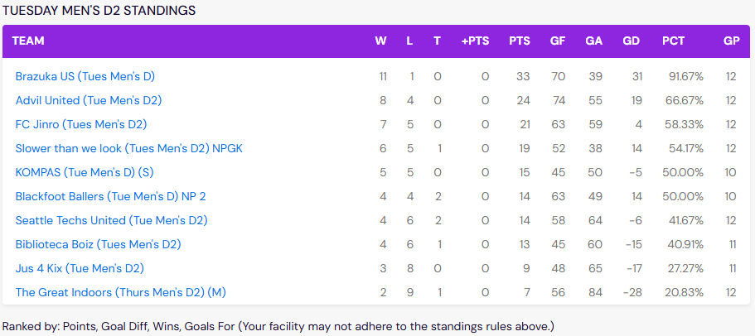
5 | Joao Pinto | 0 | 0 | 0 | 10/8 at 6:50pm |  |  |  |  | Goals | Assists | Blue Cards
6 | Pablo Rodrigues | 1 | 1 | 0 | SW Magnuson |  |  |  | Caio Scofield
7 | Rafael Franco | 6 | 1 | 0 | Brazuka US | 5 | 2 | The Great Indoors | Daniel Tedesco | 1
8 | Rafael Mattos | 2 | 3 | 0 |  |  |  |  | Guilherme Kuster | 1 | 2
9 | Ranieri Filho | 2 | 1 | 0 |  |  |  |  | Joao Barros
10 | Roberto Machado | 1 | 1 | 1 |  |  |  |  | Joao Pinto
11 | Sergio Filho | 12 | 5 | 0 |  |  |  |  | Pablo Rodrigues
 | OTHER |  |  |  |  |  |  |  | Rafael Franco | 1
 | Arthur Mendes | 8 | 5 | 0 |  |  |  |  | Rafael Mattos
 | Chase TenBrook | 2 | 2 | 0 |  |  |  |  | Ranieri Filho
 | Cleiton Castro | 6 | 6 | 0 |  |  |  |  | Roberto Machado
 | Darley Tomaz | 0 | 0 | 1 |  |  |  |  | Sergio Filho | 2 | 1
 | Giovanni | 0 | 0 | 0 |  |  |  |  | Darley Tomaz
 | Gus | 1 | 0 | 0
 | Luigi Tedesco | 0 | 0 | 1 | 10/15 at 8:35pm |  |  |  |  | Goals | Assists | Blue Cards
 | Rodrigo | 0 | 0 | 0 | SE Magnuson |  |  |  | Caio Scofield
 | Wesley | 1 | 2 | 0 | Blackfoot Ballers | 2 | 3 | Brazuka US | Daniel Tedesco
 |  |  |  |  |  |  |  |  | Guilherme Kuster
 |  |  |  |  |  |  |  |  | Rafael Franco
 |  |  |  |  |  |  |  |  | Rafael Mattos
 |  |  |  |  |  |  |  |  | Ranieri Filho
 |  |  |  |  |  |  |  |  | Roberto Machado
 |  |  |  |  |  |  |  |  | Sergio Filho | 3
 |  |  |  |  |  |  |  |  | Luigi Tedesco |  |  | 1

 |  |  |  |  | 10/22 at 6:00pm |  |  |  |  | Goals | Assists | Blue Cards
 |  |  |  |  | SW Magnuson |  |  |  | Caio Scofield
 |  |  |  |  | Jus 4 Kix | 3 | 5 | Brazuka US | Daniel Tedesco | 2
 |  |  |  |  |  |  |  |  | Guilherme Kuster | 1
 |  |  |  |  |  |  |  |  | Joao Pinto
 |  |  |  |  |  |  |  |  | Pablo Rodrigues |  | 1
 |  |  |  |  |  |  |  |  | Rafael Franco |  | 1
 |  |  |  |  |  |  |  |  | Ranieri Filho
 |  |  |  |  |  |  |  |  | Roberto Machado |  |  | 1
 |  |  |  |  |  |  |  |  | Sergio Filho | 2 | 1
 |  |  |  |  |  |  |  |  | Arthur Mendes

 |  |  |  |  | 10/29 at 10:50pm |  |  |  |  | Goals | Assists | Blue Cards
 |  |  |  |  | NW Magnuson |  |  |  | Caio Scofield
 |  |  |  |  | Brazuka US | 6 | 4 | Advil United | Daniel Tedesco |  | 1
 |  |  |  |  |  |  |  |  | Guilherme Kuster | 1 | 1
 |  |  |  |  |  |  |  |  | Joao Barros
 |  |  |  |  |  |  |  |  | Rafael Franco | 2
 |  |  |  |  |  |  |  |  | Roberto Machado
 |  |  |  |  |  |  |  |  | Sergio Filho | 2 | 3
 |  |  |  |  |  |  |  |  | Arthur Mendes | 1

 |  |  |  |  | 11/05 at 5:50pm |  |  |  |  | Goals | Assists | Blue Cards
 |  |  |  |  | SODO |  |  |  | Caio Scofield
 |  |  |  |  | Brazuka US | 5 | 3 | Slower Than We Look | Daniel Tedesco | 1 | 1
 |  |  |  |  |  |  |  |  | Guilherme Kuster | 3
 |  |  |  |  |  |  |  |  | Joao Barros
 |  |  |  |  |  |  |  |  | Joao Pinto
 |  |  |  |  |  |  |  |  | Pablo Rodrigues
 |  |  |  |  |  |  |  |  | Rafael Franco
 |  |  |  |  |  |  |  |  | Ranieri Filho |  | 1
 |  |  |  |  |  |  |  |  | Roberto Machado | 1 | 1
 |  |  |  |  |  |  |  |  | Arthur Mendes

 |  |  |  |  | 11/12 at 7:45pm |  |  |  |  | Goals | Assists | Blue Cards
 |  |  |  |  | SE Magnuson |  |  |  | Daniel Tedesco | 1
 |  |  |  |  | Brazuka US | 6 | 2 | Seattle Techs United | Guilherme Kuster | 4
 |  |  |  |  |  |  |  |  | Joao Barros
 |  |  |  |  |  |  |  |  | Pablo Rodrigues
 |  |  |  |  |  |  |  |  | Rafael Mattos |  | 2
 |  |  |  |  |  |  |  |  | Roberto Machado
 |  |  |  |  |  |  |  |  | Sergio Filho
 |  |  |  |  |  |  |  |  | Arthur Mendes | 1

 |  |  |  |  | 11/19 at 8:20pm |  |  |  |  | Goals | Assists | Blue Cards
 |  |  |  |  | SODO |  |  |  | Caio Scofield
 |  |  |  |  | Brazuka US | 7 | 4 | KOMPAS | Daniel Tedesco
 |  |  |  |  |  |  |  |  | Guilherme Kuster | 4
 |  |  |  |  |  |  |  |  | Joao Barros
 |  |  |  |  |  |  |  |  | Rafael Franco | 1
 |  |  |  |  |  |  |  |  | Rafael Mattos | 1 | 1
 |  |  |  |  |  |  |  |  | Ranieri Filho | 1
 |  |  |  |  |  |  |  |  | Arthur Mendes |  | 2

 |  |  |  |  | 11/27 at 7:40pm |  |  |  |  | Goals | Assists | Blue Cards
 |  |  |  |  | SW Magnuson |  |  |  | Caio Scofield
 |  |  |  |  | Goal Diggers | 7 | 5 | Brazuka US | Guilherme Kuster | 2 |  | 1
 |  |  |  |  |  |  |  |  | Joao Barros
 |  |  |  |  |  |  |  |  | Joao Pinto
 |  |  |  |  |  |  |  |  | Rafael Mattos | 1
 |  |  |  |  |  |  |  |  | Roberto Machado
 |  |  |  |  |  |  |  |  | Sergio Filho | 1
 |  |  |  |  |  |  |  |  | Arthur Mendes
 |  |  |  |  |  |  |  |  | Cleiton Castro | 1
 |  |  |  |  |  |  |  |  | Darley Tomaz

 |  |  |  |  | 12/9 at 7:40pm |  |  |  |  | Goals | Assists | Blue Cards
 |  |  |  |  | NW Magnuson |  |  |  | Daniel Tedesco | 1 | 1
 |  |  |  |  | Brazuka US | 8 | 3 | Biblioteca Boiz | Joao Barros
 |  |  |  |  |  |  |  |  | Rafael Franco | 1
 |  |  |  |  |  |  |  |  | Ranieri Filho | 1
 |  |  |  |  |  |  |  |  | Roberto Machado
 |  |  |  |  |  |  |  |  | Arthur Mendes | 3 | 2
 |  |  |  |  |  |  |  |  | Cleiton Castro | 2 | 2
 |  |  |  |  |  |  |  |  | Giovanni

 |  |  |  |  | 12/10 at 8:20pm |  |  |  |  | Goals | Assists | Blue Cards
 |  |  |  |  | NW Magnuson |  |  |  | Daniel Tedesco |  |  | 1
 |  |  |  |  | FC Jinro | 5 | 8 | Brazuka US | Guilherme Kuster | 5
 |  |  |  |  |  |  |  |  | Joao Barros
 |  |  |  |  |  |  |  |  | Ranieri Filho
 |  |  |  |  |  |  |  |  | Roberto Machado
 |  |  |  |  |  |  |  |  | Cleiton Castro | 2 | 3
 |  |  |  |  |  |  |  |  | Darley Tomaz |  |  | 1
 |  |  |  |  |  |  |  |  | Gus | 1

 |  |  |  |  | 12/17 at 10:10pm |  |  |  |  | Goals | Assists | Blue Cards
 |  |  |  |  | SW Magnuson |  |  |  | Daniel Tedesco | 1
 |  |  |  |  | The Great Indoors | 2 | 9 | Brazuka US | Rafael Mattos
 |  |  |  |  |  |  |  |  | Roberto Machado
 |  |  |  |  |  |  |  |  | Sergio Filho | 1
 |  |  |  |  |  |  |  |  | Arthur Mendes | 3 | 1
 |  |  |  |  |  |  |  |  | Chase TenBrook | 2 | 2
 |  |  |  |  |  |  |  |  | Cleiton Castro | 1 | 1
 |  |  |  |  |  |  |  |  | Wesley | 1 | 2

Sheet8
League | Winter II
Weekday | Tuesday |  |  | 1/9 at 8:30pm |  |  |  |  |  |  | TEAM | W | L | T | PTS | GF | GA | GD | PCT | GP
Location | Magnuson |  |  | SW Magnuson |  |  |  |  |  |  | Brazuka US (Tues Men's D1) | 9 | 2 | 1 | 28 | 62 | 46 | 16 | 79.17% | 12
# of Matches | 12 |  |  | Husar | 8 | 6 | Brazuka US |  |  |  | KOMPAS (Tue Men's D1) (S) | 8 | 2 | 2 | 26 | 72 | 53 | 19 | 75.00% | 12
Season Fee | $1,937.88 |  |  |  |  |  |  |  |  |  | Axolotls (Tues Men's D1) (S) | 8 | 4 | 0 | 24 | 66 | 42 | 24 | 66.67% | 12
Start Date | 2023-01-09 |  |  | 1/16 at 6:05pm |  |  |  |  |  |  | Blackfoot Ballers (Tue Men's D1) | 6 | 4 | 1 | 19 | 74 | 47 | 27 | 59.09% | 11
 |  |  |  | SE Magnuson |  |  |  |  |  |  | FC #!bash (Tue Men's D1) | 6 | 5 | 1 | 19 | 82 | 73 | 9 | 54.17% | 12
 |  |  |  | Brazuka US | 8 | 4 | Jager FC |  |  |  | Jäger FC (Tues Men's D1) | 5 | 5 | 2 | 17 | 71 | 79 | -8 | 50.00% | 12
 | PLAYER | GOALS | CARDS |  |  |  |  |  |  |  | Husar (Tues Men's C2) | 5 | 0 | 0 | 15 | 50 | 20 | 30 | 100.00% | 5
1 | Caio Scofield | 1 | 1 | 1/23 at 7:30pm |  |  |  |  | Goals | Blue Cards | Fuchester United (Tues Men's D1) | 2 | 5 | 3 | 9 | 45 | 54 | -9 | 35.00% | 10
2 | Guilherme Kuster | 6 | 0 | NW Magnuson |  |  |  | Caio Scofield |  | 1 | NOT YOUNG II (Tues Men's C2) | 2 | 0 | 0 | 6 | 17 | 6 | 11 | 100.00% | 2
3 | Gustavo Bittencourt | 0 | 0 | KOMPAS | 2 | 5 | Brazuka US | Gustavo Bittencourt |  |  | Green Cheetah Dads (Tues Men's D1) | 2 | 10 | 0 | 6 | 47 | 100 | -53 | 16.67% | 12
4 | Joao Barros | 2 | 0 |  |  |  |  | Joao Barros |  |  | Fresh Start FC (Tues Men's D1) | 1 | 9 | 1 | 4 | 51 | 77 | -26 | 13.64% | 11
5 | Joao Pinto | 0 | 0 |  |  |  |  | Marcelo Dichtchekenian |  |  | House Team FC (Tues Men's C2) | 1 | 0 | 0 | 3 | 13 | 6 | 7 | 100.00% | 1
6 | Marcelo Dichtchekenian | 0 | 1 |  |  |  |  | Rafael Franco |  |  | NBD (Tues Men's C) | 1 | 0 | 0 | 3 | 12 | 6 | 6 | 100.00% | 1
7 | Pablo Rodrigues | 0 | 0 |  |  |  |  | Rafael Mattos | 1 |  | Goon Squad (Tues Mens C2) | 1 | 0 | 0 | 3 | 8 | 2 | 6 | 100.00% | 1
8 | Rafael Franco | 5 | 0 |  |  |  |  | Roberto Machado |  |  | Good Third Touch (Tues Men's C2) (M) | 1 | 0 | 0 | 3 | 10 | 6 | 4 | 100.00% | 1
9 | Rafael Mattos | 9 | 0 |  |  |  |  | Sergio Filho |  |  | Tuesday Men's D1 House Team | 0 | 10 | 1 | 1 | 43 | 102 | -59 | 4.55% | 11
10 | Ranieri Filho | 0 | 0 |  |  |  |  | Cleiton | 4 |  | YETI FC (Tues Men's C1) (S) | 0 | 1 | 0 | 0 | 4 | 5 | -1 | 0.00% | 1
11 | Roberto Machado | 0 | 3 |  |  |  |  |  |  |  | Momentum (Tues Men's C) | 0 | 1 | 0 | 0 | 4 | 7 | -3 | 0.00% | 1
12 | Sergio Filho | 4 | 1 | 1/30 at 6:05pm |  |  |  |  | Goals | Blue Cards
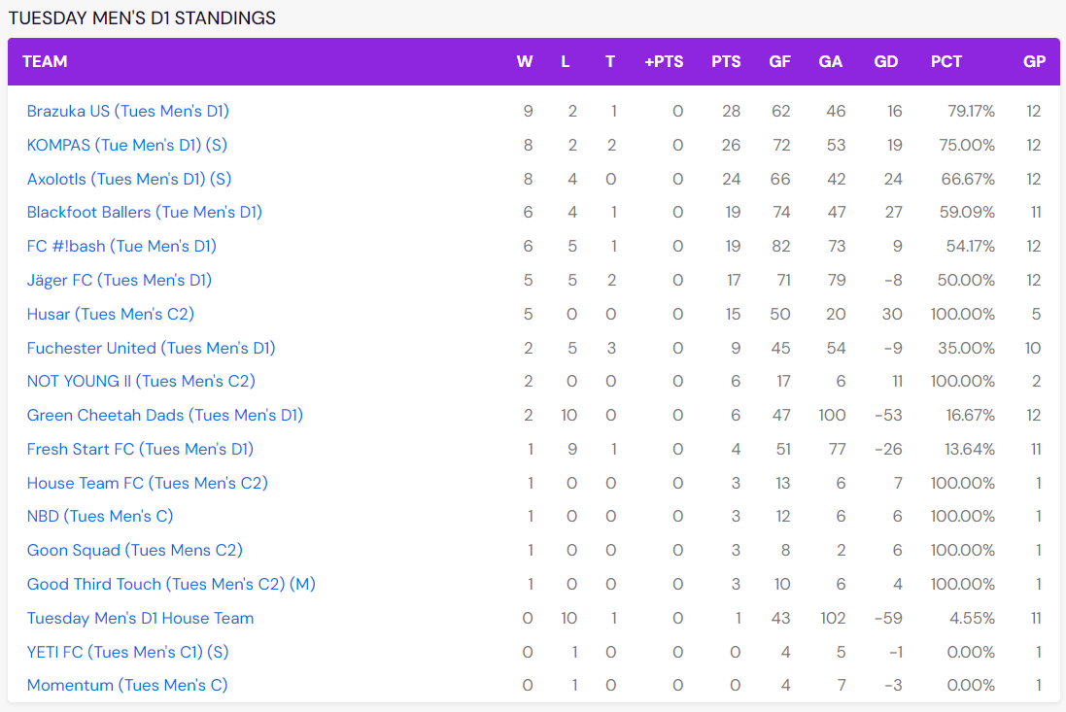
 | OTHER | 0 | 0 | SE Magnuson |  |  |  | Caio Scofield
 | Cleiton | 9 | 0 | Fuchester United | 3 | 5 | Brazuka US | Gus
 | Igor | 1 | 1 |  |  |  |  | Joao Barros
 | Matheus | 1 | 0 |  |  |  |  | Rafael Franco
 | Mazza | 2 | 0 |  |  |  |  | Rafael Mattos | 2
 | Rodrigo | 2 | 0 |  |  |  |  | Ranieri Filho
 |  |  |  |  |  |  |  | Roberto Machado
 |  |  |  |  |  |  |  | Sergio Filho | 1
 |  |  |  |  |  |  |  | Mazza | 2

 |  |  |  | 2/6 at 6:40pm |  |  |  |  | Goals | Blue Cards
 |  |  |  | NW Magnuson |  |  |  | Caio Scofield
 |  |  |  | Brazuka US | 3 | 1 | Blackfoot Ballers | Joao Barros
 |  |  |  |  |  |  |  | Marcelo Dichtchekenian
 |  |  |  |  |  |  |  | Rafael Franco | 3
 |  |  |  |  |  |  |  | Rafael Mattos
 |  |  |  |  |  |  |  | Ranieri Filho
 |  |  |  |  |  |  |  | Roberto Machado |  | 1
 |  |  |  |  |  |  |  | Sergio Filho

 |  |  |  | 2/14 at 10:05pm |  |  |  |  | Goals | Yellow Cards
 |  |  |  | NW Magnuson |  |  |  | Caio Scofield
 |  |  |  | Green Cheetah Dads | 4 | 7 | Brazuka US | Joao Barros | 2
 |  |  |  |  |  |  |  | Marcelo Dichtchekenian |  | 1
 |  |  |  |  |  |  |  | Rafael Franco
 |  |  |  |  |  |  |  | Rafael Mattos | 2
 |  |  |  |  |  |  |  | Ranieri Filho
 |  |  |  |  |  |  |  | Sergio Filho | 1
 |  |  |  |  |  |  |  | Rodrigo | 2

 |  |  |  | 2/20 at 6:40pm |  |  |  |  | Goals | Blue Cards
 |  |  |  | SODO |  |  |  | Caio Scofield
 |  |  |  | Brazuka US | 0 | 5 | Axolots | Marcelo Dichtchekenian
 |  |  |  |  |  |  |  | Rafael Franco
 |  |  |  |  |  |  |  | Rafael Mattos
 |  |  |  |  |  |  |  | Ranieri Filho
 |  |  |  |  |  |  |  | Roberto Machado |  | 1
 |  |  |  |  |  |  |  | Sergio Filho |  | 1
 |  |  |  |  |  |  |  | Cleiton
 |  |  |  |  |  |  |  | Roberto Bandarra

 |  |  |  | 2/27 at 10:15pm |  |  |  |  | Goals | Blue Cards
 |  |  |  | SE Magnuson |  |  |  | Caio Scofield
 |  |  |  | Brazuka US | 6 | 5 | Fresh Start FC | Marcelo Dichtchekenian
 |  |  |  |  |  |  |  | Rafael Franco | 2
 |  |  |  |  |  |  |  | Rafael Mattos | 2
 |  |  |  |  |  |  |  | Ranieri Filho
 |  |  |  |  |  |  |  | Roberto Machado
 |  |  |  |  |  |  |  | Igor | 1 | 1
 |  |  |  |  |  |  |  | Matheus | 1

 |  |  |  | 3/5 at 7:40pm |  |  |  |  | Goals | Blue Cards
 |  |  |  | SW Magnuson |  |  |  | Caio Scofield
 |  |  |  | Jäger FC | 9 | 9 | Brazuka US | Guilherme Kuster | 6
 |  |  |  |  |  |  |  | Marcelo Dichtchekenian
 |  |  |  |  |  |  |  | Rafael Mattos | 1
 |  |  |  |  |  |  |  | Roberto Machado |  | 1
 |  |  |  |  |  |  |  | Sergio Filho | 2

 |  |  |  | 3/15 at 8:20pm
 |  |  |  | Forfeit
 |  |  |  | Brazuka US | 3 | 0 | Tuesday Men's D1 House Team

 |  |  |  | 3/26 at 7:45pm |  |  |  |  | Goals | Blue Cards
 |  |  |  | SE Magnuson |  |  |  | Caio Scofield | 1
 |  |  |  | FC #!bash | 5 | 7 | Brazuka US | Guilherme Kuster
 |  |  |  |  |  |  |  | Joao Barros
 |  |  |  |  |  |  |  | Joao Pinto
 |  |  |  |  |  |  |  | Rafael Mattos | 1
 |  |  |  |  |  |  |  | Ranieri Filho
 |  |  |  |  |  |  |  | Roberto Machado
 |  |  |  |  |  |  |  | Cleiton | 5
 |  |  |  |  |  |  |  | Matheus

 |  |  |  | 4/2 at 8:20pm
 |  |  |  | Forfeit
 |  |  |  | Fuchester United | 0 | 3 | Brazuka US

Brazuka US (Tuesday) - Spring 2
League | Spring
Weekday | Tuesday |  |  | 4/9 at 8:20pm |  |  |  |  | Goals | Blue Cards | TEAM | W | L | T | PTS | GF | GA | GD | PCT | GP
Location | Magnuson |  |  | NW Magnuson |  |  |  | Caio Scofield |  |  | KOMPAS (Tue Men's D1) (S) | 7 | 3 | 2 | 23 | 79 | 60 | 19 | 66.67% | 12
# of Matches | 12 |  |  | The Kwisatz Headerach | 8 | 11 | Brazuka US | Joao Barros | 1 |  | Mocha FC (Tues Men's D1) | 7 | 3 | 1 | 22 | 71 | 52 | 19 | 68.18% | 11
Season Fee | $1,937.88 |  |  |  |  |  |  | Marcelo Dichtchekenian |  |  | Blackfoot Ballers (Tue Men's D1) | 7 | 3 | 1 | 22 | 67 | 48 | 19 | 68.18% | 11
Start Date | 2024-04-09 |  |  |  |  |  |  | Pablo Rodrigues |  | 1 | Brazuka US (Tues Men's D1) | 6 | 4 | 2 | 20 | 60 | 61 | -1 | 58.33% | 12
 |  |  |  |  |  |  |  | Rafael Mattos | 1 |  | FC #!bash (Tue Men's D1) | 6 | 6 | 0 | 18 | 85 | 70 | 15 | 50.00% | 12
 |  |  |  |  |  |  |  | Ranieri Filho | 4 |  | BB 2.0 (Tues Men's D1) | 6 | 5 | 0 | 18 | 47 | 44 | 3 | 54.55% | 11
 | PLAYER | GOALS | CARDS |  |  |  |  | Roberto Machado |  |  | Manchest-hair United FC (Tues Men's D1) | 6 | 5 | 0 | 18 | 62 | 66 | -4 | 54.55% | 11
1 | Caio Scofield | 0 | 0 |  |  |  |  | Sergio Filho | 3 |  | FC Jinro (Tues Men's D1) | 1 | 8 | 2 | 5 | 46 | 67 | -21 | 18.18% | 11
2 | Guilherme Kuster | 18 | 0 |  |  |  |  | Joao Pinto | 2 |  | The Kwisatz Headerach (Tues Men's D1) | 0 | 9 | 0 | 0 | 28 | 77 | -49 | 0.00% | 9
3 | Joao Barros | 1 | 0
4 | Marcelo Dichtchekenian | 0 | 0 | 4/16 at 10:00pm |  |  |  |  | Goals | Blue Cards
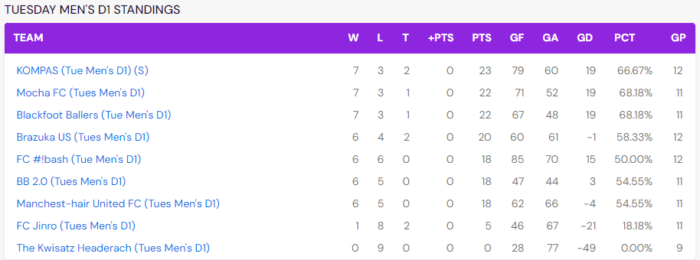
5 | Pablo Rodrigues | 2 | 1 | NW Magnuson |  |  |  | Caio Scofield
6 | Rafael Franco | 2 | 1 | Brazuka US | 5 | 5 | KOMPAS | Guilherme Kuster | 1
7 | Rafael Mattos | 4 | 0 |  |  |  |  | Joao Barros
8 | Ranieri Filho | 9 | 0 |  |  |  |  | Marcelo Dichtchekenian
9 | Roberto Machado | 3 | 3 |  |  |  |  | Rafael Mattos
10 | Sergio Filho | 9 | 0 |  |  |  |  | Ranieri Filho | 3
 | OTHER |  |  |  |  |  |  | Roberto Machado |  | 1
 | Arthur | 0 | 0 |  |  |  |  | Cleiton
 | Cleiton | 2 | 0 |  |  |  |  | Joao Pinto | 1
 | Damiao | 1 | 0
 | Darley | 0 | 1 | 4/23 at 6:40pm |  |  |  |  | Goals | Blue Cards
 | Filipe | 0 | 0 | SODO |  |  |  | Caio Scofield
 | Joao Pinto | 3 | 0 | Brazuka US | 5 | 4 | Mocha FC | Guilherme Kuster | 2
 | Kevin | 0 | 0 |  |  |  |  | Joao Barros
 | Matheus | 2 | 0 |  |  |  |  | Pablo Rodrigues
 | Roberto Bandarra | 1 | 0 |  |  |  |  | Rafael Mattos | 2
 | Rodrigo | 3 | 0 |  |  |  |  | Roberto Machado
 |  | 60 | 6 |  |  |  |  | Cleiton
 |  |  |  |  |  |  |  | Darley
 |  |  |  |  |  |  |  | Joao Pinto
 |  |  |  |  |  |  |  | Roberto Bandarra | 1

 |  |  |  | 4/30 at 10:15pm |  |  |  |  | Goals | Yellow Cards
 |  |  |  | SE Magnuson |  |  |  | Guilherme Kuster | 3
 |  |  |  | Brazuka US | 5 | 3 | FC Jinro | Marcelo Dichtchekenian
 |  |  |  |  |  |  |  | Pablo Rodrigues
 |  |  |  |  |  |  |  | Rafael Franco | 1
 |  |  |  |  |  |  |  | Rafael Mattos
 |  |  |  |  |  |  |  | Ranieri Filho
 |  |  |  |  |  |  |  | Roberto Machado |  | 1
 |  |  |  |  |  |  |  | Sergio Filho | 1

 |  |  |  | 5/7 at 9:10pm |  |  |  |  | Goals | Blue Cards
 |  |  |  | SODO |  |  |  | Caio Scofield
 |  |  |  | Brazuka US | 6 | 4 | Manchest-hair United FC | Guilherme Kuster | 3
 |  |  |  |  |  |  |  | Joao Barros
 |  |  |  |  |  |  |  | Rafael Franco
 |  |  |  |  |  |  |  | Rafael Mattos
 |  |  |  |  |  |  |  | Ranieri Filho | 1
 |  |  |  |  |  |  |  | Roberto Machado
 |  |  |  |  |  |  |  | Sergio Filho | 1
 |  |  |  |  |  |  |  | Darley |  | 1
 |  |  |  |  |  |  |  | Rodrigo | 1

 |  |  |  | 5/21 at 8:35pm |  |  |  |  | Goals | Blue Cards
 |  |  |  | SE Magnuson |  |  |  | Caio Scofield
 |  |  |  | Brazuka US | 2 | 3 | BB 2.0 | Guilherme Kuster | 1
 |  |  |  |  |  |  |  | Joao Barros
 |  |  |  |  |  |  |  | Pablo Rodrigues
 |  |  |  |  |  |  |  | Rafael Mattos
 |  |  |  |  |  |  |  | Ranieri Filho
 |  |  |  |  |  |  |  | Roberto Machado
 |  |  |  |  |  |  |  | Sergio Filho | 1
 |  |  |  |  |  |  |  | Darley

 |  |  |  | 5/28 at 10:10pm |  |  |  |  | Goals | Blue Cards
 |  |  |  | SW Magnuson |  |  |  | Caio Scofield
 |  |  |  | Brazuka US | 6 | 5 | Blackfoot Ballers | Guilherme Kuster | 4
 |  |  |  |  |  |  |  | Joao Barros
 |  |  |  |  |  |  |  | Rafael Franco
 |  |  |  |  |  |  |  | Roberto Machado | 1
 |  |  |  |  |  |  |  | Sergio Filho | 1
 |  |  |  |  |  |  |  | Cleiton
 |  |  |  |  |  |  |  | Darley
 |  |  |  |  |  |  |  | Matheus

 |  |  |  | 6/4 at 7:30pm |  |  |  |  | Goals | Blue Cards
 |  |  |  | NW Magnuson |  |  |  | Joao Barros
 |  |  |  | Brazuka US | 8 | 12 | FC #!bash | Pablo Rodrigues | 1
 |  |  |  |  |  |  |  | Rafael Franco | 1
 |  |  |  |  |  |  |  | Ranieri Filho
 |  |  |  |  |  |  |  | Roberto Machado | 1
 |  |  |  |  |  |  |  | Sergio Filho | 2
 |  |  |  |  |  |  |  | Cleiton | 2
 |  |  |  |  |  |  |  | Damiao | 1
 |  |  |  |  |  |  |  | Darley
 |  |  |  |  |  |  |  | Kevin

 |  |  |  | 6/11 at 7:45pm |  |  |  |  | Goals | Blue Cards
 |  |  |  | SE Magnuson |  |  |  | Guilherme Kuster | 2
 |  |  |  | Brazuka US | 5 | 8 | KOMPAS | Joao Barros
 |  |  |  |  |  |  |  | Rafael Franco |  | 1
 |  |  |  |  |  |  |  | Ranieri Filho
 |  |  |  |  |  |  |  | Filipe
 |  |  |  |  |  |  |  | Joao Pinto
 |  |  |  |  |  |  |  | Matheus | 1
 |  |  |  |  |  |  |  | Rodrigo | 2

 |  |  |  | 6/18 at 6:00pm |  |  |  |  | Goals | Blue Cards
 |  |  |  | SW Magnuson |  |  |  | Guilherme Kuster
 |  |  |  | Brazuka US | 1 | 4 | Mocha FC | Joao Barros
 |  |  |  |  |  |  |  | Rafael Franco
 |  |  |  |  |  |  |  | Rafael Mattos | 1
 |  |  |  |  |  |  |  | Ranieri Filho
 |  |  |  |  |  |  |  | Sergio Filho
 |  |  |  |  |  |  |  | Arthur

 |  |  |  | 6/25 at 9:25pm |  |  |  |  | Goals | Blue Cards
 |  |  |  | SE Magnuson |  |  |  | Caio Scofield
 |  |  |  | Brazuka US | 3 | 2 | The Kwisatz Headerach | Guilherme Kuster | 2
 |  |  |  |  |  |  |  | Joao Barros
 |  |  |  |  |  |  |  | Rafael Franco
 |  |  |  |  |  |  |  | Rafael Mattos
 |  |  |  |  |  |  |  | Ranieri Filho
 |  |  |  |  |  |  |  | Roberto Machado |  | 1
 |  |  |  |  |  |  |  | Darley
 |  |  |  |  |  |  |  | Matheus | 1

 |  |  |  | 7/2 at 6:40pm |  |  |  |  | Goals | Blue Cards
 |  |  |  | SODO |  |  |  | Caio Scofield
 |  |  |  | Brazuka US | 3 | 3 | FC Jinro | Guilherme Kuster
 |  |  |  |  |  |  |  | Pablo Rodrigues | 1
 |  |  |  |  |  |  |  | Rafael Franco
 |  |  |  |  |  |  |  | Rafael Mattos
 |  |  |  |  |  |  |  | Ranieri Filho | 1
 |  |  |  |  |  |  |  | Roberto Machado | 1
 |  |  |  |  |  |  |  | Sergio Filho
 |  |  |  |  |  |  |  | Arthur

